Unstructured Parts List
Item | Part Number | Thumbnail | QTY
1 | 2020 Aluminum Profile 600mm | 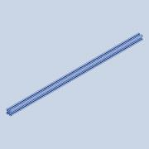 | 2
2 | 2020 Aluminum Profile 400mm | 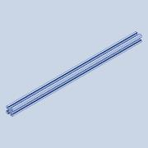 | 3
3 | 2020 Aluminum Profile 300mm | 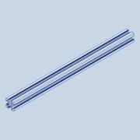 | 2
4 | 2020 Aluminum Profile 440mm | 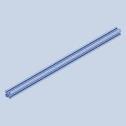 | 1
5 | 2020 Aluminum Profile 220mm | 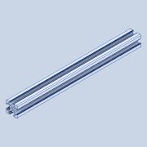 | 1
6 | 2020 Aluminum Profile 30mm | 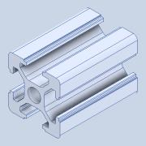 | 1
7 | 2040 Aluminum Profile (Double) 600mm | 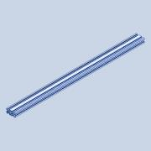 | 1
8 | 2020 Angle Bracket | 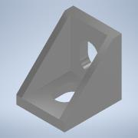 | 35
9 | M4 Washer | 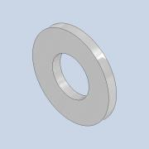 | 175
10 | M4x8mm Screw | 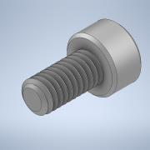 | 67
11 | M4 T Nut | 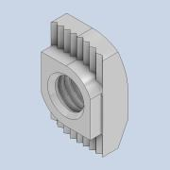 | 99
12 | Nema17 Stepper Motor Bracket | 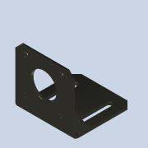 | 3
13 | Nema17 Stepper Motor | 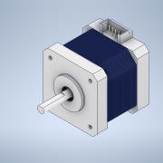 | 5
14 | GT2 Pulley 5mm Bore | 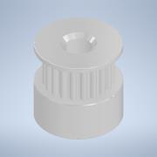 | 2
15 | M3x8mm Screw | 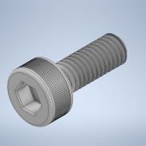 | 17
16 | M4x10mm Grub Screw | 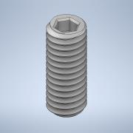 | 4
17 | Arduino MEGA 2560 and RAMPS Shield | 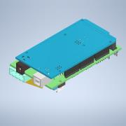 | 1
18 | Arduino Case Body | 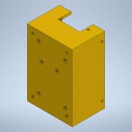 | 1
19 | M3x10mm Internal Thread Plastic Spacer |  | 6
20 | Arduino Case Cover | 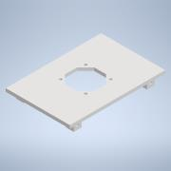 | 1
21 | 40x40x10mm 12V Fan |  | 1
22 | Fan Grill for 40mm Fan | 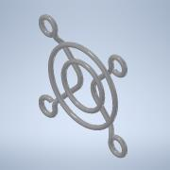 | 1
23 | Printer Logo Plate |  | 1
24 | M3 Nut | 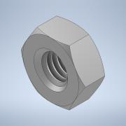 | 39
25 | M3x16mm Screw | 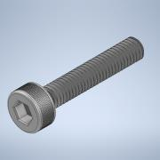 | 4
26 | M3 x 20mm Screw | 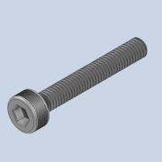 | 23
27 | M3 Spring Washer | 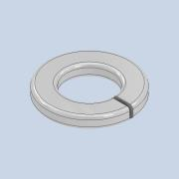 | 59
28 | M3x6mm Countersunk Screw | 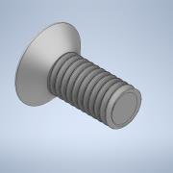 | 6
29 | M3x6mm Plastic Screw | 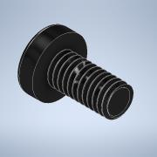 | 10
30 | Connector Case Body | 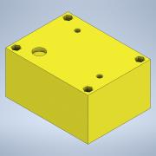 | 1
31 | Connector Case Cover |  | 1
32 | Power Connector with integrated Switch |  | 1
33 | M3x10mm Countersunk Screw | 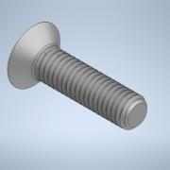 | 6
34 | M3 Washer | 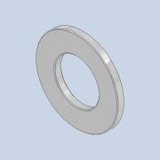 | 80
35 | 25x25mm Metal Angle Bracket | 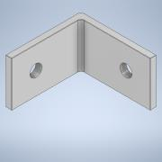 | 14
36 | SK8 Vertical Rod Support Fastener | 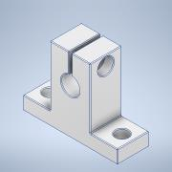 | 6
37 | 8mm Diameter Rod 600mm | 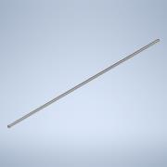 | 2
38 | M4x12mm Screw | 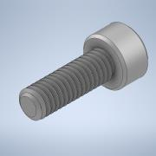 | 38
39 | Heated Bed Aluminum Carrier Plate | 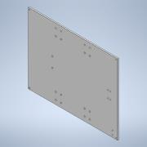 | 1
40 | SC8UU Polyamide Bearing | 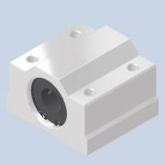 | 6
41 | M4x20mm Screw | 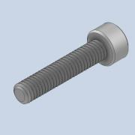 | 23
42 | M4 Nylon Lock Nut | 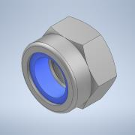 | 6
43 | Y Movement Tensioner Belt Holder | 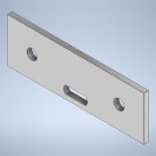 | 1
44 | 30x30mm Metal Angle Bracket | 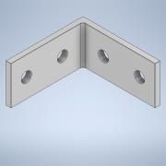 | 1
45 | Threaded Aluminum Block for Limit Switch Screws | 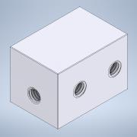 | 2
46 | M3x10mm Screw | 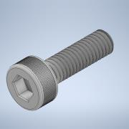 | 19
47 | M3x40mm Screw | 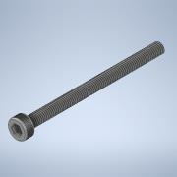 | 2
48 | M3 Knurled Nut | 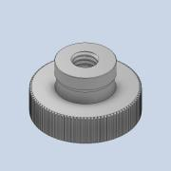 | 4
49 | Custom 25x25mm Metal Angle Bracket for Y Movement Belt Tensioner | 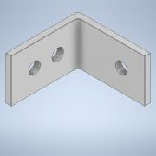 | 2
50 | M4x40mm Screw | 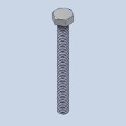 | 11
51 | Spring 20h 2p 6d | 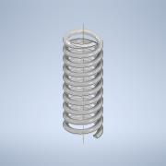 | 2
52 | M4 Wing Nut | 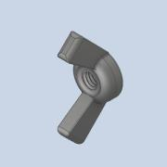 | 4
53 | Y Movement Belt Holder on the Motor Side | 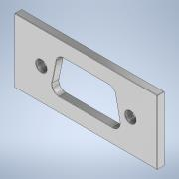 | 1
54 | Spring 20h 4p 8d | 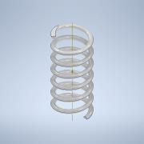 | 4
55 | Heating Element Board | 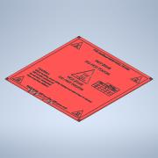 | 1
56 | Heated Bed Aluminum Plate |  | 1
57 | Temperature Sensor |  | 1
58 | Temperature Sensor Bracket/Press |  | 1
59 | M3 Isolator/Plastic Washer |  | 3
60 | M3x6mm Screw |  | 4
61 | M4x35mm Screw |  | 6
62 | M4 Knurled Nut |  | 4
63 | Belt Tensioner Plate (Creality 3D X Axis Passive Block) |  | 2
64 | M5x20mm Washer |  | 14
65 | M5 Nylon Lock Nut |  | 4
66 | GT2 Idler 5mm Bore |  | 2
67 | M5x25 Slotted Screw |  | 4
68 | M5 Nut |  | 14
69 | M4 Spring Washer |  | 31
70 | M4x16mm Screw |  | 5
71 | M4 Nut |  | 29
72 | M4x10mm Screw |  | 13
73 | 5mm to 8mm Fixed/Rigid Coupler |  | 3
74 | Grub Screw |  | 16
75 | SK8 Vertical Rod Support Fastener with one mounting hole (the other one is cut) |  | 4
76 | 8mm Diameter Rod 250mm |  | 2
77 | 8mm Diameter Threaded Rod 200mm |  | 2
78 | KP08 Bearing with one mounting hole (the other one is cut) |  | 2
79 | X Movement Motor Holder Plate |  | 1
80 | T8 Nut Housing |  | 2
81 | T8 Nut for Threaded Rod |  | 3
82 | M4x25mm Screw |  | 4
83 | Z Movement Wheel Holder Plate |  | 2
84 | V Wheel Ø24.4mm |  | 8
85 | M5 Washer |  | 12
86 | Syringe Barrel Press |  | 1
87 | Syringe Barrel Holder |  | 1
88 | Plastic Backplate |  | 1
89 | Syringe Plunger Holder |  | 1
90 | Syringe Barrel Holder Spacer |  | 1
91 | Stepper Motor Holder |  | 1
92 | Stepper Motor Spacer |  | 1
93 | Syringe Barrel Flange Press |  | 1
94 | Wheels Screws Mounting Plate |  | 1
95 | Syringe Plunger Flange Press |  | 1
96 | 8mm Rod 136mm |  | 2
97 | 8mm Threaded Rod 133mm |  | 1
98 | Wheels Screws Mounting Aluminum Backplate |  | 1
99 | M5x8mm Spacer |  | 8
100 | M3x12mm Screw |  | 12
101 | M3x25mm Screw |  | 5
102 | LM8UU Linear Bearing |  | 2
103 | M3x30mm Screw |  | 4
104 | M3x50mm Threaded Rod |  | 4
105 | M3 Nylon Lock Nut |  | 4
106 | M4x100mm Threaded Rod |  | 2
107 | M4x30mm Screw |  | 3
108 | Wood Screw |  | 13
109 | X Movement Belt Holder |  | 2
110 | M4 Knurled Slim Nut |  | 2
111 | MakerBot Limit Switch Board |  | 3
112 | M3 Plastic Nut |  | 4
113 | M3x6mm Internal and External Thread Plastic Spacer |  | 4
114 | Custom 30x30mm Metal Angle Bracket for X Movement Limit Switch |  | 1
115 | Custom SK8 Plastic Vertical Rod Support Fastener |  | 1
116 | Heated Bed Driver |  | 1
117 | M4 Plastic/Isolator Washer |  | 4
118 | 8mm Diameter Rod 85mm |  | 1
119 | Needle Parking Plastic Body |  | 1
120 | Bottle Cap |  | 1
121 | Wire Cover Case Body |  | 1
122 | Wire Cover Case Bracket |  | 1
123 | M3x35mm Internal Thread Spacer |  | 1
124 | Power Supply S-240-12 |  | 1
125 | M5x40mm Screw |  | 6
126 | DRV8825 Stepper Motor Driver |  | 4
127 | Wood Panel 600x440mm |  | 1
128 | GT2 Belt 6mm Width, 3m length |  | 1

Structured Parts List
Item | Part Number | Thumbnail | QTY
1 | Main Frame Assembly |  | 1
1.1 | 2020 Aluminum Profile 600mm |  | 2
1.2 | 2020 Aluminum Profile 400mm |  | 3
1.3 | 2020 Aluminum Profile 300mm |  | 2
1.4 | 2020 Aluminum Profile 440mm |  | 1
1.5 | 2020 Angle Bracket |  | 22
1.6 | 2020 Aluminum Profile 220mm |  | 1
1.7 | 2020 Aluminum Profile 30mm |  | 1
1.8 | M4 Washer |  | 44
1.9 | M4x8mm Screw |  | 38
1.10 | M4 T Nut |  | 32
1.11 | Wood Panel 600x440mm |  | 1
1.12 | Wood Screw |  | 6
2 | Y/Z Stepper Motor Assembly | *Varies* | 3
2.1 | Nema17 Stepper Motor Bracket |  | 1
2.2 | Nema17 Stepper Motor |  | 1
2.3 | GT2 Pulley 5mm Bore |  | 1
2.4 | M3x8mm Screw |  | 4
2.5 | M4x10mm Grub Screw |  | 2
3 | Power Supply S-240-12 |  | 1
4 | Arduino Case Assembly |  | 1
4.1 | Arduino MEGA 2560 and RAMPS Shield |  | 1
4.2 | Arduino Case Body |  | 1
4.3 | M3x10mm Internal Thread Plastic Spacer |  | 6
4.4 | Arduino Case Cover |  | 1
4.5 | 40x40x10mm 12V Fan |  | 1
4.6 | Fan Grill for 40mm Fan |  | 1
4.7 | Printer Logo Plate |  | 1
4.8 | M3 Nut |  | 8
4.9 | M3x16mm Screw |  | 4
4.10 | M3 Washer |  | 12
4.11 | M3x20mm Screw |  | 4
4.12 | M3 Spring Washer |  | 4
4.13 | M3x6mm Countersunk Screw |  | 6
4.14 | M3x6mm Plastic Screw |  | 6
5 | Power Connector and Switch Assembly |  | 1
5.1 | Connector Case |  | 1
5.2 | Connector Case Cover |  | 1
5.3 | Power Connector with integrated Switch |  | 1
5.4 | M3x10mm Countersunk Screw |  | 2
5.5 | M3 Nut |  | 6
5.6 | M3 Washer |  | 6
5.7 | M3 Spring Washer |  | 2
5.8 | M3x20mm Screw |  | 4
6 | 25x25mm Metal Angle Bracket |  | 4
7 | SK8 Vertical Rod Support Fastener |  | 4
8 | 8mm Diameter Rod 600mm |  | 2
9 | M4x12mm Screw |  | 34
10 | Heated Bed Assembly |  | 1
10.1 | Heated Bed Aluminum Carrier Plate |  | 1
10.2 | SC8UU Polyamide Bearing |  | 4
10.3 | M4x20mm Screw |  | 18
10.4 | M4 Washer |  | 30
10.5 | M4 Nylon Lock Nut |  | 6
10.6 | Y Movement Tensioner Belt Holder |  | 1
10.7 | 30x30mm Metal Angle Bracket |  | 1
10.8 | Threaded Aluminum Block for Limit Switch Screws |  | 1
10.9 | M3x10mm Screw |  | 9
10.10 | M3 Spring Washer |  | 9
10.11 | M3x40mm Screw |  | 1
10.12 | M3 Washer |  | 17
10.13 | M3 Knurled Nut |  | 1
10.14 | M3 Nut |  | 8
10.15 | Custom 25x25mm Metal Angle Bracket for Y Movement Belt Tensioner |  | 2
10.16 | M4x40mm Screw |  | 2
10.17 | Spring 20h 2p 6d |  | 2
10.18 | 25x25mm Metal Angle Bracket |  | 2
10.19 | M4 Wing Nut |  | 2
10.20 | Y Movement Belt Holder on the Motor Side |  | 1
10.21 | Spring 20h 4p 8d |  | 4
10.22 | Heating Element Board |  | 1
10.23 | Heated Bed Aluminum Plate |  | 1
10.24 | Temperature Sensor |  | 1
10.25 | Temperature Sensor Bracket/Press |  | 1
10.26 | M3 Isolator/Plastic Washer |  | 1
10.27 | M3x8mm Screw |  | 1
10.28 | M3x6mm Screw |  | 4
10.29 | M4x35mm Screw |  | 4
10.30 | M4 Knurled Nut |  | 4
11 | Y Movement Tensioner Assembly |  | 1
11.1 | Belt Tensioner Plate (Creality 3D X Axis Passive Block) |  | 1
11.2 | M5x20mm Washer |  | 2
11.3 | M5 Nylon Lock Nut |  | 1
11.4 | GT2 Idler 5mm Bore |  | 1
11.5 | M5x25 Slotted Screw |  | 1
11.6 | M5 Nut |  | 1
11.7 | 25x25mm Metal Angle Bracket |  | 2
11.8 | M4 Washer |  | 2
11.9 | M4 Spring Washer |  | 3
11.10 | M4x16mm Screw |  | 1
11.11 | M4 Nut |  | 1
12 | 2020 Angle Bracket |  | 12
13 | SK8 Vertical Rod Support Fastener with one mounting hole (the other one is cut) |  | 4
14 | 8mm Diameter Rod 250mm |  | 2
15 | 8mm Diameter Threaded Rod 200mm |  | 2
16 | KP08 Bearing with right mounting hole (the left one is cut) |  | 1
17 | KP08 Bearing with left mounting hole (the right one is cut) |  | 1
18 | M3 Washer |  | 6
19 | M3 Spring Washer |  | 33
20 | M4 T Nut |  | 53
21 | Extruder X Movement Assembly |  | 1
21.1 | 2040 Aluminum Profile (Double) 600mm |  | 1
21.2 | X Movement Motor Assembly |  | 1
21.2.1 | X Movement Motor Holder Plate |  | 1
21.2.2 | Nema17 Stepper Motor |  | 1
21.2.3 | M3x10mm Countersunk Screw |  | 4
21.3 | X Movement Tensioner |  | 1
21.3.1 | Belt Tensioner Plate (Creality 3D X Axis Passive Block) |  | 1
21.3.2 | M5x20mm Washer |  | 2
21.3.3 | M5 Nylon Lock Nut |  | 1
21.3.4 | GT2 Idler 5mm Bore |  | 1
21.3.5 | M5x25 Slotted Screw |  | 1
21.3.6 | M5 Nut |  | 1
21.3.7 | M4x8mm Screw |  | 2
21.3.8 | M4 T Nut |  | 2
21.4 | M4 T Nut |  | 4
21.5 | M4 Washer |  | 4
21.6 | M4x10mm Screw |  | 4
21.7 | GT2 Pully 5mm Bore |  | 1
21.8 | M4x10mm Grub Screw |  | 2
22 | T8 Nut with Housing Assembly |  | 2
22.1 | T8 Nut Housing |  | 1
22.2 | T8 Nut for Threaded Rod |  | 1
22.3 | M3x10mm Screw |  | 4
23 | SC8UU Polyamide Bearing |  | 2
24 | M4x8mm Screw |  | 27
25 | M4 Washer |  | 65
26 | M4x25mm Screw |  | 4
27 | M4 Spring Washer |  | 12
28 | Z Movement Wheel Holder Plate |  | 2
29 | V Wheel Ø24.4mm |  | 2
30 | M5 Washer |  | 6
31 | M5x25 Slotted Screw |  | 2
32 | M5 Nylon Lock Nut |  | 2
33 | M4 Nut |  | 8
34 | M4x16mm Screw |  | 4
35 | Extruder Assembly |  | 1
35.1 | Syringe Barrel Press |  | 1
35.2 | Syringe Barrel Holder |  | 1
35.3 | Plastic Backplate |  | 1
35.4 | Syringe Plunger Holder |  | 1
35.5 | Syringe Barrel Holder Spacer |  | 1
35.6 | Stepper Motor Holder |  | 1
35.7 | Stepper Motor Spacer |  | 1
35.8 | Syringe Barrel Flange Press |  | 1
35.9 | Nema17 Stepper Motor |  | 1
35.10 | Wheels Screws Mounting Plate |  | 1
35.11 | Syringe Plunger Flange Press |  | 1
35.12 | T8 Nut for Threaded Rod |  | 1
35.13 | M4x35mm Screw |  | 2
35.14 | M4 Washer |  | 22
35.15 | 8mm Diameter Rod 136mm |  | 2
35.16 | 5mm to 8mm Fixed/Rigid Coupler |  | 1
35.17 | Grub Screw |  | 4
35.18 | 8mm Diameter Threaded Rod 133mm |  | 1
35.19 | Wheels Screws Mounting Aluminum Backplate |  | 1
35.20 | M5x20mm Washer |  | 6
35.21 | M5x8mm Spacer |  | 6
35.22 | V Wheel Ø24.4mm |  | 6
35.23 | M5 Washer |  | 6
35.24 | M5 Nut |  | 12
35.25 | M4x40mm Screw |  | 3
35.26 | M3x12mm Screw |  | 10
35.27 | M3x20mm Screw |  | 15
35.28 | M3x25mm Screw |  | 2
35.29 | LM8UU Linear Bearing |  | 2
35.30 | M3x30mm Screw |  | 4
35.31 | M3 Washer |  | 21
35.32 | M3 Nut |  | 13
35.33 | M3x50mm Threaded Rod |  | 4
35.34 | M3 Lock Nut |  | 4
35.35 | M4 Wing Nut |  | 2
35.36 | M4 Nut |  | 13
35.37 | M4x100mm Threaded Rod |  | 2
35.38 | M4 Spring Washer |  | 9
35.39 | M4x20mm Screw |  | 3
35.40 | M4x30mm Screw |  | 3
35.41 | Wood Screw |  | 7
35.41.1 | 3.5x18mm Wood Screw |  | 1
35.42 | M3 Spring Washer |  | 9
35.43 | X Movement Belt Holder |  | 2
35.44 | M3 Knurled Nut |  | 2
35.45 | M4 Knurled Slim Nut |  | 2
35.46 | M5x40mm Screw |  | 6
36 | X/Y Movement Limit Switch Assembly | *Varies* | 2
36.1 | MakerBot Limit Switch Board |  | 1
36.2 | 25x25mm Metal Angle Bracket |  | 2
36.3 | M3 Washer |  | 2
36.4 | M3 plastic Nut |  | 2
36.5 | M3x6mm Plastic Screw |  | 2
36.6 | M3x6mm Internal and External Thread Plastic Spacer |  | 2
37 | Threaded Aluminum Block for Limit Switch Screws |  | 1
38 | M3x40mm Screw |  | 1
39 | M3 Knurled Nut |  | 1
40 | Z Movement Limit Switch Assembly |  | 1
40.1 | Custom SK8 Plastic Vertical Rod Support Fastener |  | 1
40.2 | M5x20mm Washer |  | 2
40.3 | M5x8mm Spacer |  | 2
40.4 | M4 Washer |  | 2
40.5 | M4x20mm Screw |  | 2
40.6 | M4 T Nut |  | 2
40.7 | MakerBot Limit Switch Board |  | 1
40.8 | M3x25mm Screw |  | 2
40.9 | M3 Washer |  | 2
40.10 | M3 Plastic/Isolator Washer |  | 2
40.11 | M3 Spring Washer |  | 2
40.12 | M3 Nut |  | 2
41 | Heated Bed Driver |  | 1
42 | M5x20mm Washer |  | 2
43 | M4 Plastic/Isolator Washer |  | 4
44 | Needle Parking Assembly |  | 1
44.1 | SK8 Vertical Rod Support Fastener |  | 2
44.2 | M4x12mm Screw |  | 4
44.3 | 8mm Diameter Rod 85mm |  | 1
44.4 | Needle Parking Plastic Body |  | 1
44.5 | M4 Nut |  | 2
44.6 | M4 Spring Washer |  | 2
44.7 | Bottle Cap |  | 1
45 | M4x10mm Screw |  | 4
46 | Wire Cover Case Body |  | 1
47 | Wire Cover Case Bracket |  | 1
48 | M3 Washer |  | 12
49 | M3 Nut |  | 2
50 | M3x12mm Screw |  | 2
51 | M3x8mm Screw |  | 4
52 | M3x35mm Internal Thread Spacer |  | 1
53 | M3x10mm Screw |  | 2
54 | M3x25mm Screw |  | 1

